Test Example
Test Case Name: | Attempt to buy a negative quantity of Oil

Preconditions: | The User Is Logged in and has available funds for transactions | Impact
 | The User has navigated to the homepage of the Ensek Website | High
 |  | Automation Complexity
Test Steps: | 1. The user clicks buy energy on the home page | Easy
 | 2. The user enters a negative whole number into the "Number of Units required" textbox for Oil | Is Automated?
 | 3. The User clicks the buy button in the Oil row of the table.

Expected Result: | The user is informed that the transaction has failed.
 | The users balance should remain unchanged
 | Oils quantity should remain unchanged

Actual Result: | The user is informed that the transaction was successful
 | The users balance may have changed? This is not implemented in the test project
 | The quantity of Oil has increased. This is confirmed when viewing oils quantity on the buy page aswell.

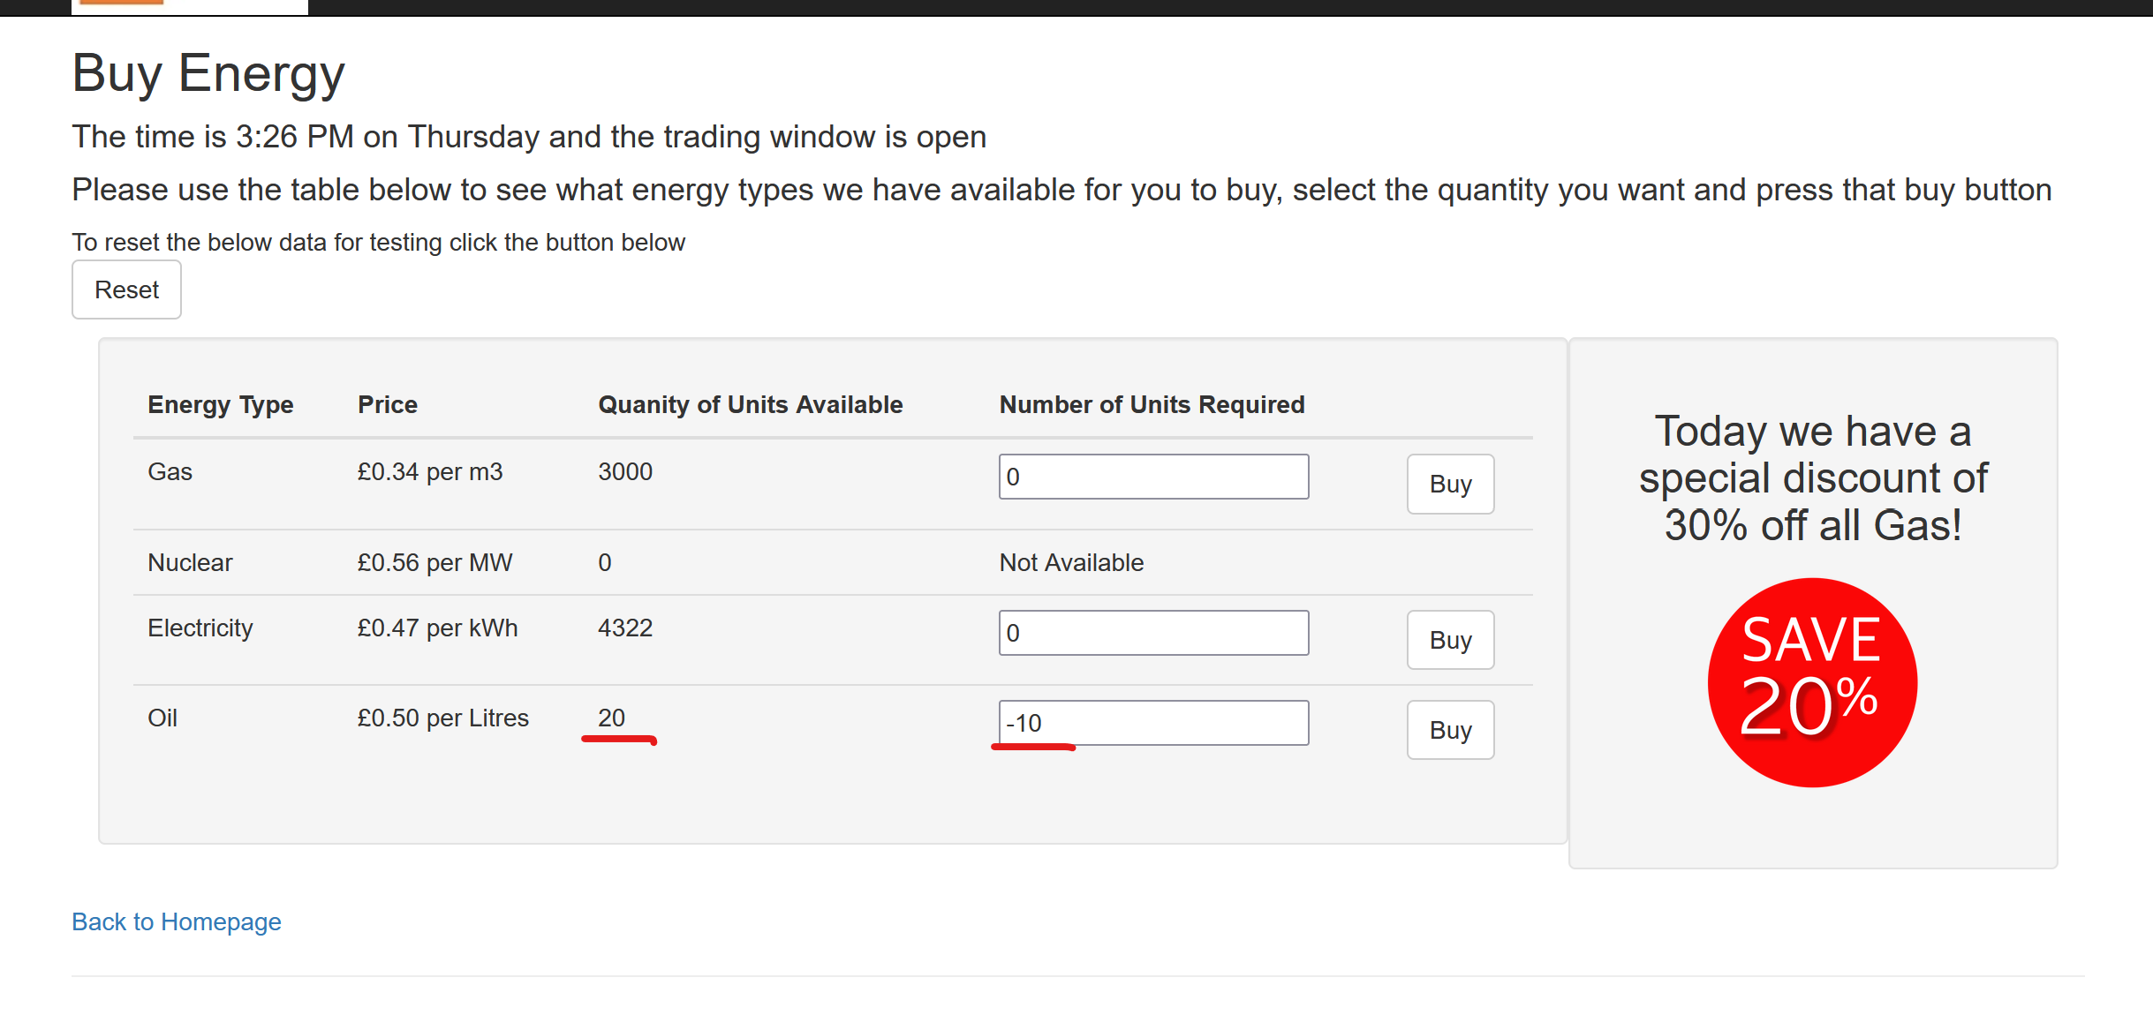
Screenshot before
pressing buy:

Screenshots after
pressing buy:

